Basis
Investment plan model
Goal: We have to construct an investment plan for five machines and for the next three years, assuming that the service life can be derived from the observed service lifes of equivalent machines. It is assumed that fhe future replacement prices are uncertain and the there is a negative correlation between prices and service life of the first two machines. As a requirement, the investment plan should ensure that with 90% probalility the real expenditure is below the calculated value.
Model: From the sheet "History" we derive the empircal distribibution of the service life of the old machine park using the "Fit distribution" function (generating a Weibull distribution). This distribution is used to derive the service life of the current machine park. For each machine we estimate the net asset value (in current prices) and derive the investment plan in the output variable. In scenario environment we define a threshold of 0.9 for the "Worst Case". This is equivalent to the interpretations that - if repeating the simulation again and again - there is a 10% probability that the investment plan will return an investiment requirement higher than the value obtained from the threshold. This corresponds to a threshold value (or investment plan value) of 266'116 Euros.
Investment plan
Known parameters
Machines |  | Year of purchase | Purchasing price
1 |  | 2007 | 45000
2 |  | 2009 | 35000
3 |  | 2008 | 55000
4 |  | 2005 | 25000
5 |  | 2010 | 90000
Function parameters | mínimo | a | b
Weibull distribution | 7.12 | 2.1 | 2
Unknown parameters
ND_1 |  |  | 11
ND_2 |  |  | 11
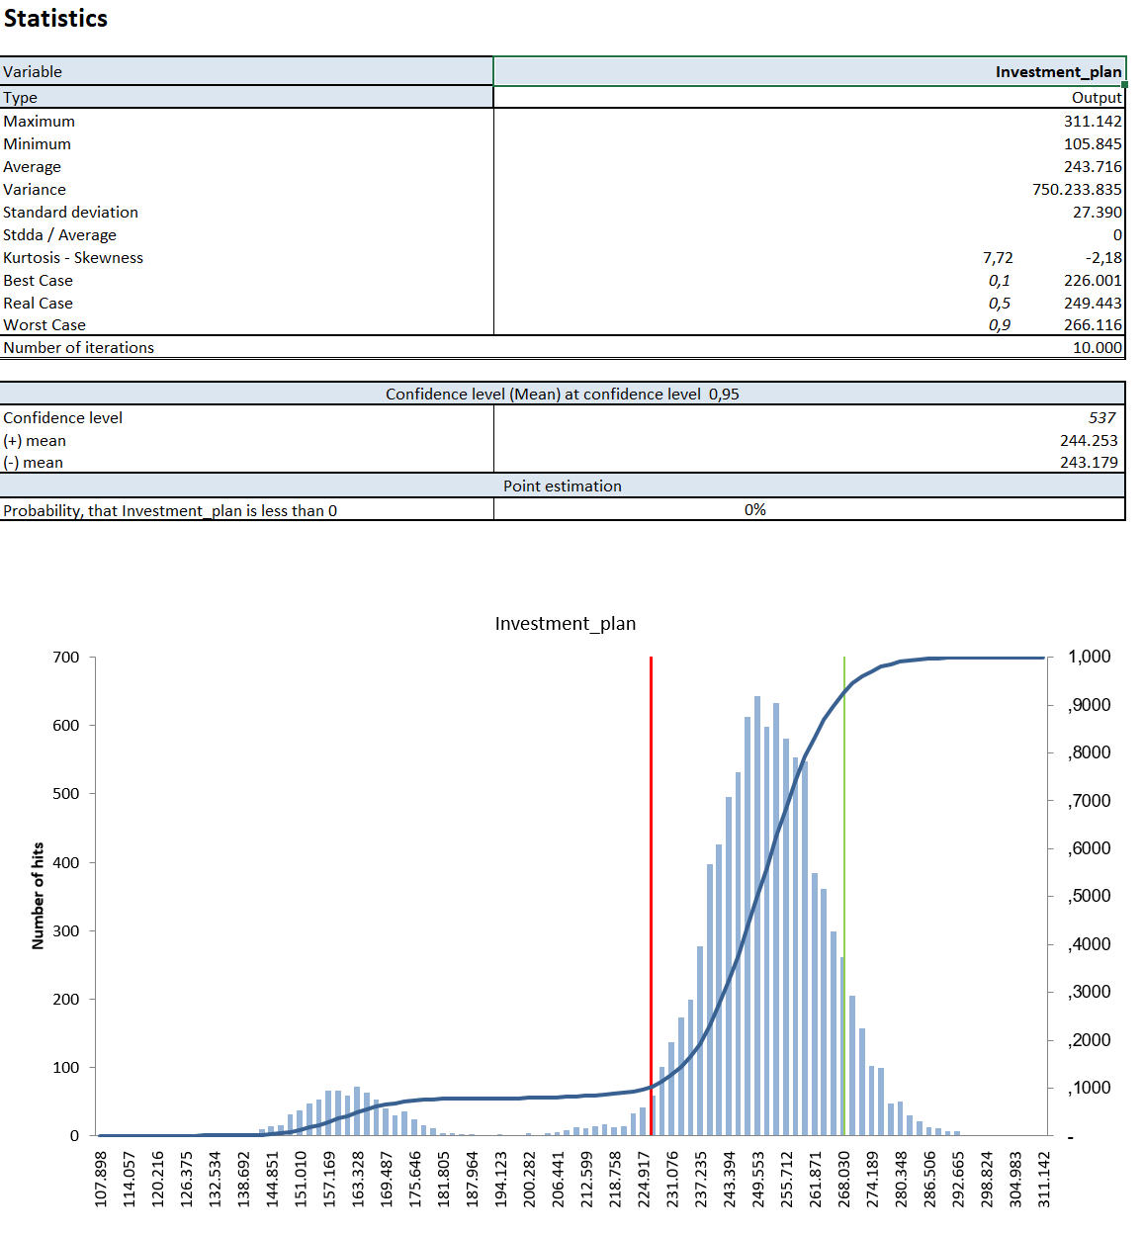
ND_3 |  |  | 11
ND_4 |  |  | 11
ND_5 |  |  | 11
Price_1 |  |  | 0%
Price_2 |  |  | 0%
Price_3 |  |  | 0%
Price_4 |  |  | 0%
Price_5 |  |  | 0%
Correlación A |  |  | -60%
Correlación B |  |  | -60%
Calculations
 | 70,000.0 | 55,000.0 | 35,000.0
Year | 2018 | 2019 | 2020
Net asset value 1 | 45,000.0 | - | - | 2018
Net asset value 2 | - | - | 35,000.0 | 2020
Net asset value 3 | - | 55,000.0 | - | 2019
Net asset value 4 | 25,000.0 | - | - | 2016
Net asset value 5 | - | - | - | 2021

Result

Investment plan |  |  | 160,000

History
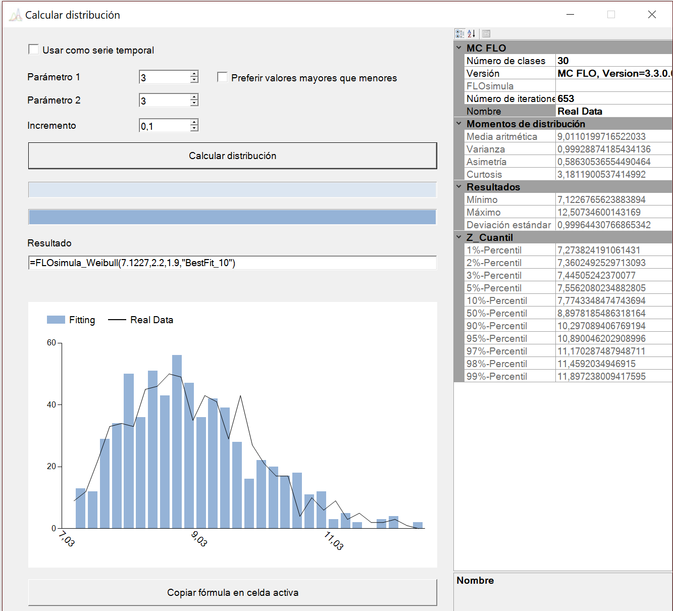
Machine park
Date of activation | Date of deactivation | Service life (in years)
2003-08-04 | 2011-12-02 20:36:21 | 8.3365988707
2003-07-10 | 2013-12-05 10:13:12 | 10.414865319
2003-03-28 | 2012-11-23 16:08:23 | 9.6675958698
2003-02-27 | 2012-11-15 22:25:14 | 9.7258471052
2003-08-23 | 2011-12-31 08:00:03 | 8.3625571972
2003-01-04 | 2012-08-01 23:54:47 | 9.5835517259
2003-12-22 | 2013-03-06 19:33:11 | 9.2131910072
2003-03-07 | 2011-07-06 18:19:01 | 8.3390773053
2003-04-03 | 2011-02-03 02:49:17 | 7.8441577198
2003-09-12 | 2012-05-10 17:25:08 | 8.6677419122
2003-07-23 | 2014-09-29 20:05:15 | 11.196813646
2003-05-22 | 2012-01-24 11:02:28 | 8.6834522072
2003-09-06 | 2013-06-23 17:57:11 | 9.8047891749
2003-06-18 | 2011-12-29 12:13:42 | 8.538382236
2003-08-26 | 2012-12-03 23:32:52 | 9.2821401753
2003-08-13 | 2011-10-01 02:01:55 | 8.1399580159
2003-09-23 | 2011-08-29 08:54:31 | 7.9380032968
2003-05-17 | 2011-06-06 07:26:49 | 8.0611240809
2003-06-01 | 2012-09-18 18:39:34 | 9.3089793888
2003-02-01 | 2013-11-01 21:36:23 | 10.75863089
2003-05-22 | 2011-03-24 08:09:19 | 7.8447666026
2003-12-20 | 2011-09-26 11:14:47 | 7.7738865965
2003-07-17 | 2013-03-26 16:43:35 | 9.7005395597
2003-09-25 | 2011-10-20 04:18:05 | 8.0744636556
2003-02-28 | 2013-04-15 19:22:32 | 10.136458421
2003-10-30 | 2012-10-07 17:00:26 | 8.9471469538
2003-05-20 | 2011-09-20 05:30:10 | 8.3430939412
2003-10-30 | 2012-12-09 04:18:25 | 9.1182998929
2003-03-24 | 2011-07-18 09:50:50 | 8.3244117913
2003-01-01 | 2013-04-10 16:15:04 | 10.28130721
2003-11-02 | 2013-12-02 16:45:52 | 10.092324727
2003-10-05 | 2013-11-05 05:21:29 | 10.093762346
2003-11-04 | 2012-05-09 18:19:00 | 8.5198991863
2003-06-08 | 2012-03-04 10:34:11 | 8.7464120975
2003-06-10 | 2013-02-06 21:49:36 | 9.6709848067
2003-05-31 | 2012-03-01 04:14:25 | 8.7593881749
2003-08-20 | 2011-11-10 06:05:33 | 8.2308324925
2003-07-03 | 2012-01-16 06:25:29 | 8.5459389055
2003-08-31 | 2012-07-19 07:25:54 | 8.8912593246
2003-10-25 | 2011-01-20 16:38:32 | 7.2457354193
2003-10-01 | 2011-11-07 18:56:03 | 8.1090107779
2003-02-09 | 2012-06-28 12:21:25 | 9.3904517191
2003-05-19 | 2012-08-28 01:30:50 | 9.2851043315
2003-11-02 | 2012-09-20 14:20:14 | 8.8920476468
2003-09-04 | 2011-09-15 05:50:02 | 8.0362824268
2003-06-01 | 2012-06-16 00:12:25 | 9.049338694
2003-06-27 | 2013-03-07 18:04:45 | 9.7034336992
2003-10-26 | 2012-07-14 09:27:30 | 8.7243673937
2003-09-24 | 2012-09-11 06:28:10 | 8.9733412641
2003-12-01 | 2011-05-01 16:47:30 | 7.4210949544
2003-01-11 | 2011-06-25 20:03:53 | 8.4598247485
2003-01-01 | 2012-06-25 05:50:56 | 9.488338925
2003-11-21 | 2011-02-07 02:59:44 | 7.2195200554
2003-11-05 | 2011-10-19 04:33:22 | 7.959424241
2003-03-15 | 2011-02-19 18:47:12 | 7.9418706243
2003-07-28 | 2015-01-30 04:28:42 | 11.518319445
2003-12-18 | 2014-06-08 12:48:05 | 10.480913427
2003-12-14 | 2012-05-27 23:08:26 | 8.4601758787
2003-09-10 | 2013-07-10 21:38:34 | 9.8408268238
2003-10-09 | 2012-08-18 13:33:13 | 8.8673006467
2003-09-29 | 2012-12-22 03:48:31 | 9.2387909592
2003-09-03 | 2012-08-13 22:30:01 | 8.9532534703
2003-05-10 | 2012-12-23 05:06:18 | 9.6307197573
2003-12-23 | 2012-01-25 15:10:49 | 8.0976233205
2003-11-27 | 2012-05-11 21:11:38 | 8.4626933761
2003-10-01 | 2012-08-21 16:53:25 | 8.8978185486
2003-12-10 | 2015-06-15 08:44:25 | 11.521545697
2003-01-06 | 2012-03-13 08:28:04 | 9.1900077672
2003-05-17 | 2012-04-14 11:58:36 | 8.9191754353
2003-08-26 | 2014-01-09 02:20:41 | 10.381089589
2003-11-23 | 2012-09-30 00:14:56 | 8.8603024065
2003-08-13 | 2012-12-17 21:50:34 | 9.3559181488
2003-02-26 | 2011-08-25 06:05:33 | 8.4993256517
2003-02-03 | 2012-05-19 14:52:09 | 9.2975878252
2003-08-04 | 2013-06-17 15:45:30 | 9.878511246
2003-11-04 | 2013-08-12 11:45:49 | 9.7794250702
2003-09-23 | 2012-09-06 21:05:02 | 8.9640506898
2003-11-21 | 2013-06-12 09:25:30 | 9.5654594896
2003-06-08 | 2011-06-25 20:47:23 | 8.0544280515
2003-08-27 | 2010-10-27 12:12:26 | 7.173996262
2003-03-23 | 2011-10-27 09:49:07 | 8.6038605759
2003-05-07 | 2013-01-06 14:20:10 | 9.6783488741
2003-09-23 | 2011-04-04 05:31:10 | 7.5348766631
2003-06-02 | 2012-07-30 07:26:32 | 9.1679728794
2003-09-16 | 2012-02-14 01:51:35 | 8.4193903812
2003-11-02 | 2013-08-28 00:21:51 | 9.8274388484
2003-09-21 | 2012-07-08 05:31:08 | 8.8033697586
2003-01-05 | 2010-12-31 07:58:14 | 7.9926907264
2003-04-22 | 2012-06-03 14:59:52 | 9.1249997773
2003-05-30 | 2012-08-20 19:58:54 | 9.2351577441
2003-08-23 | 2014-06-07 02:50:16 | 10.797584238
2003-05-26 | 2012-10-05 04:37:04 | 9.3703901832
2003-08-29 | 2014-09-01 02:35:43 | 11.016734621
2003-11-14 | 2012-07-20 00:29:23 | 8.6877271433
2003-01-15 | 2011-09-23 23:07:48 | 8.6957911068
2003-03-18 | 2012-09-09 11:20:55 | 9.4889667579
2003-08-04 | 2011-01-11 10:39:33 | 7.4450524237
2003-10-03 | 2011-08-20 04:18:48 | 7.8854239281
2003-03-19 | 2010-09-25 10:58:45 | 7.5272807488
2003-11-07 | 2011-12-10 19:30:38 | 8.0981176692
2003-10-15 | 2012-05-11 03:21:33 | 8.5784656845
2003-07-04 | 2014-08-06 20:03:41 | 11.100920281
2003-10-28 | 2013-06-21 22:34:47 | 9.6573721407
2003-10-26 | 2011-05-09 13:51:55 | 7.54130884
2003-02-16 | 2012-10-22 01:14:48 | 9.6878135499
2003-05-24 | 2014-08-26 14:00:51 | 11.267353229
2003-08-21 | 2011-09-01 06:21:16 | 8.0363418607
2003-05-05 | 2011-12-01 15:52:02 | 8.5826332507
2003-08-07 | 2014-02-10 17:58:52 | 10.522600611
2003-07-01 | 2011-05-17 12:59:42 | 7.8836752509
2003-04-23 | 2012-02-27 22:24:08 | 8.8573518784
2003-06-16 | 2011-07-19 10:24:45 | 8.0970790786
2003-07-07 | 2013-12-12 21:15:21 | 10.443522371
2003-11-23 | 2011-11-03 16:10:34 | 7.95253155
2003-02-05 | 2011-09-14 19:56:00 | 8.6132344105
2003-10-18 | 2012-09-25 16:35:58 | 8.9471004092
2003-04-17 | 2012-01-12 07:34:48 | 8.7460708011
2003-06-02 | 2012-08-27 05:01:22 | 9.2444090114
2003-02-04 | 2010-06-13 11:47:00 | 7.360249253
2003-07-26 | 2012-02-19 09:24:21 | 8.5764162094
2003-09-22 | 2011-08-13 11:06:45 | 7.8971589877
2003-01-27 | 2012-05-11 17:29:58 | 9.2951483497
2003-11-11 | 2014-07-27 04:09:49 | 10.715543817
2003-03-27 | 2013-03-10 00:29:38 | 9.961700216
2003-03-31 | 2013-01-06 00:34:26 | 9.7781477149
2003-03-26 | 2011-12-30 11:50:14 | 8.7712143024
2003-05-18 | 2010-12-11 16:35:33 | 7.5744968781
2003-08-05 | 2011-02-22 00:22:56 | 7.5562080235
2003-12-16 | 2012-04-12 23:16:27 | 8.3314240123
2003-10-26 | 2014-01-09 23:07:24 | 10.21633829
2003-04-20 | 2011-04-11 12:43:27 | 7.9822744785
2003-06-13 | 2012-02-22 22:14:07 | 8.7039081612
2003-12-10 | 2013-03-25 21:22:02 | 9.2983296181
2003-04-29 | 2012-01-06 04:49:05 | 8.6964404231
2003-01-29 | 2013-08-29 15:34:17 | 10.590818667
2003-02-23 | 2010-12-21 22:49:49 | 7.8327431848
2003-09-11 | 2012-06-12 05:37:01 | 8.7595453392
2003-02-25 | 2012-04-09 20:05:10 | 9.1283203402
2003-06-03 | 2011-07-23 12:52:01 | 8.1439346066
2003-10-16 | 2012-04-18 07:18:57 | 8.5131639087
2003-08-31 | 2012-05-05 06:34:44 | 8.6856825242
2003-01-14 | 2014-04-25 03:59:27 | 11.285387098
2003-01-16 | 2010-07-22 21:17:31 | 7.5202388278
2003-07-05 | 2011-03-11 03:45:42 | 7.6881006585
2003-07-30 | 2012-10-23 15:22:20 | 9.2428507304
2003-05-29 | 2012-01-11 05:06:31 | 8.6279804483
2003-04-04 | 2013-03-20 08:07:02 | 9.9680499349
2003-05-16 | 2013-07-25 17:26:05 | 10.201990266
2003-06-28 | 2014-04-25 23:40:44 | 10.835579805
2003-03-31 | 2012-08-11 15:02:05 | 9.3743190372
2003-03-11 | 2013-06-17 23:51:42 | 10.279436284
2003-07-08 | 2012-04-30 02:41:28 | 8.8194852888
2003-12-22 | 2013-11-02 15:58:34 | 9.8730566409
2003-10-08 | 2011-07-21 04:43:41 | 7.7895808388
2003-01-27 | 2012-04-02 00:18:56 | 9.1863374062
2003-10-13 | 2011-06-16 11:34:45 | 7.6807739006
2003-09-16 | 2012-06-05 10:37:38 | 8.7272405573
2003-05-24 | 2013-03-30 13:57:18 | 9.8591273119
2003-07-10 | 2012-07-28 11:37:10 | 9.0588606735
2003-09-11 | 2011-09-17 00:20:55 | 8.0219576135
2003-10-13 | 2012-10-17 00:55:42 | 9.019284078
2003-07-31 | 2013-04-15 07:43:31 | 9.7159503988
2003-01-10 | 2012-10-15 16:09:04 | 9.7717067513
2003-11-28 | 2013-01-25 12:04:21 | 9.1685014362
2003-05-08 | 2012-11-15 01:47:15 | 9.5317109333
2003-11-06 | 2012-10-19 18:02:23 | 8.9609634442
2003-10-21 | 2011-10-04 20:50:14 | 7.9612828024
2003-10-01 | 2013-12-01 12:49:07 | 10.176805778
2003-02-24 | 2012-12-28 01:35:54 | 9.8494975416
2004-01-01 | 2011-09-03 02:49:53 | 7.6770355583
2003-11-08 | 2013-12-03 19:16:49 | 10.078913297
2003-05-16 | 2013-07-11 01:12:13 | 10.161781245
2003-01-05 | 2011-08-01 01:32:42 | 8.5755188567
2003-02-27 | 2010-08-21 12:34:08 | 7.4863663412
2003-12-19 | 2014-06-09 10:45:03 | 10.480679333
2003-03-31 | 2011-01-30 20:20:47 | 7.84341856
2003-01-28 | 2011-08-08 01:14:17 | 8.5316482055
2003-03-06 | 2011-08-05 15:05:08 | 8.4236399093
2003-01-30 | 2011-09-22 04:03:29 | 8.6497783197
2003-06-24 | 2013-02-12 10:58:57 | 9.6478290584
2003-10-31 | 2013-03-02 04:56:58 | 9.3430307608
2003-01-03 | 2011-07-20 23:29:47 | 8.5506274703
2003-03-27 | 2014-04-30 05:35:07 | 11.102007456
2003-07-13 | 2014-07-07 05:36:14 | 10.992420558
2003-10-29 | 2014-02-04 11:34:37 | 10.278033919
2003-01-15 | 2011-02-10 15:23:19 | 8.0784690232
2003-04-26 | 2012-02-14 03:09:54 | 8.8113202175
2003-01-22 | 2011-04-08 05:39:05 | 8.214343768
2003-12-10 | 2011-07-01 01:10:16 | 7.5617775353
2003-04-09 | 2012-02-16 21:16:48 | 8.8654429242
2003-01-15 | 2011-08-05 17:16:42 | 8.5608765419
2003-10-25 | 2012-12-09 15:44:05 | 9.1333030579
2003-06-07 | 2013-02-01 04:20:32 | 9.6635094116
2003-04-01 | 2012-02-25 19:27:12 | 8.9118097695
2003-05-29 | 2014-04-01 00:10:55 | 10.849335847
2003-06-30 | 2013-03-10 09:24:43 | 9.7024442993
2003-03-05 | 2012-06-15 04:09:02 | 9.2881450503
2003-07-12 | 2011-08-22 05:42:30 | 8.1184598828
2003-02-07 | 2011-11-10 13:14:37 | 8.7631556904
2003-02-27 | 2010-11-09 08:17:39 | 7.7050564379
2003-09-25 | 2010-11-06 18:38:48 | 7.1226765624
2003-12-12 | 2012-10-17 20:18:10 | 8.8571121925
2003-08-04 | 2012-12-23 12:36:50 | 9.3959605015
2003-06-12 | 2011-10-08 00:15:23 | 8.3287963987
2003-03-15 | 2012-08-09 08:04:15 | 9.4118802575
2003-11-28 | 2012-11-23 21:37:03 | 8.9969883105
2003-02-10 | 2011-12-29 14:04:26 | 8.8892778491
2003-09-27 | 2013-06-06 04:08:10 | 9.6991023012
2003-09-11 | 2014-01-12 05:58:47 | 10.345888107
2003-07-15 | 2011-04-13 07:10:58 | 7.7515049137
2003-09-21 | 2012-02-18 15:07:24 | 8.418164772
2003-10-30 | 2013-12-13 06:43:48 | 10.1295354
2003-11-07 | 2011-07-28 17:50:19 | 7.7280637861
2003-12-25 | 2011-07-08 05:34:35 | 7.540362631
2003-05-25 | 2012-03-16 07:05:47 | 8.817248472
2003-01-13 | 2011-07-15 18:52:49 | 8.5090046223
2003-08-28 | 2012-04-10 13:05:37 | 8.6261522624
2003-01-05 | 2011-02-08 15:58:38 | 8.1004540383
2003-04-01 | 2013-08-01 13:56:07 | 10.344056543
2003-09-06 | 2013-05-22 05:20:41 | 9.7156786267
2003-09-19 | 2012-12-05 04:31:12 | 9.2196940684
2003-02-02 | 2012-02-15 23:03:24 | 9.0437279584
2003-12-25 | 2013-11-11 22:50:07 | 9.8902780291
2003-07-06 | 2011-02-07 02:23:20 | 7.5975329943
2003-09-07 | 2012-07-17 19:19:27 | 8.8679593959
2003-02-16 | 2010-12-20 17:54:41 | 7.8486200332
2003-12-31 | 2012-06-17 20:52:00 | 8.4708752198
2003-06-19 | 2012-09-07 06:45:40 | 9.2281691061
2003-09-19 | 2011-11-23 03:32:32 | 8.1839660155
2003-03-10 | 2015-03-02 07:05:46 | 11.987111442
2003-10-13 | 2013-08-23 10:54:01 | 9.8697374786
2003-06-28 | 2012-10-14 11:55:44 | 9.3054713419
2003-03-06 | 2011-03-18 06:29:47 | 8.0390977851
2003-12-12 | 2013-08-04 06:26:05 | 9.6527893544
2003-12-12 | 2013-01-16 12:09:12 | 9.1054969698
2003-08-23 | 2012-02-28 12:38:40 | 8.5247311238
2003-09-25 | 2011-11-21 12:56:04 | 8.1631204008
2003-09-06 | 2012-04-30 14:38:22 | 8.6564657065
2003-09-12 | 2012-09-11 16:21:49 | 9.0073474464
2003-03-19 | 2010-10-08 10:48:59 | 7.5628785868
2003-02-01 | 2014-03-28 02:51:24 | 11.159230237
2003-11-12 | 2014-11-02 03:28:44 | 10.981219053
2003-01-13 | 2012-04-08 23:10:05 | 9.243740653
2003-08-14 | 2011-10-19 08:25:03 | 8.1872622797
2003-01-28 | 2011-09-07 00:29:12 | 8.6137541971
2003-11-21 | 2012-04-15 12:20:26 | 8.4068881933
2003-10-27 | 2013-06-07 11:51:26 | 9.6205316696
2003-11-13 | 2013-01-28 09:50:51 | 9.2175625046
2003-12-03 | 2013-04-24 02:44:02 | 9.3975723884
2003-02-02 | 2010-06-10 17:52:17 | 7.3582044985
2003-04-19 | 2011-07-21 15:16:43 | 8.2620181308
2003-05-09 | 2012-05-05 14:49:04 | 8.9989518178
2003-06-18 | 2014-06-08 01:47:57 | 10.981027326
2003-10-18 | 2012-08-07 11:24:23 | 8.8122610296
2003-07-29 | 2013-11-01 02:33:19 | 10.26878488
2003-01-15 | 2011-08-23 21:29:21 | 8.6106722961
2003-12-28 | 2013-07-08 16:38:51 | 9.5361470012
2003-10-01 | 2013-12-01 09:35:05 | 10.176436629
2003-12-09 | 2012-06-01 17:54:52 | 8.4869765588
2003-06-10 | 2012-01-21 21:44:17 | 8.6243993437
2003-07-16 | 2013-05-05 06:34:24 | 9.8117092927
2003-07-12 | 2013-03-03 01:06:47 | 9.6494421483
2003-09-17 | 2013-10-31 13:29:36 | 10.130307468
2003-03-09 | 2011-08-14 03:36:59 | 8.4387689989
2003-01-26 | 2012-06-26 11:09:28 | 9.4231915542
2003-12-14 | 2012-06-14 04:58:31 | 8.5074172817
2003-11-30 | 2012-11-29 18:53:42 | 9.007636428
2003-09-20 | 2012-02-04 21:04:35 | 8.3832279091
2003-07-16 | 2011-11-19 10:32:22 | 8.3518880722
2003-02-10 | 2013-07-19 05:24:19 | 10.444452675
2003-10-08 | 2012-11-12 17:46:43 | 9.1061391171
2003-05-20 | 2011-09-17 20:50:06 | 8.3366250074
2003-05-01 | 2012-03-27 21:52:44 | 8.9148263657
2003-03-17 | 2012-07-24 19:58:03 | 9.3639232521
2003-01-12 | 2011-06-21 16:29:32 | 8.4457183052
2003-05-20 | 2012-12-19 04:04:07 | 9.5922452909
2003-12-08 | 2011-08-17 23:46:20 | 7.6986041526
2003-01-02 | 2012-11-10 23:55:01 | 9.8657439688
2003-11-09 | 2012-04-12 10:17:44 | 8.4313123095
2003-09-16 | 2012-10-20 22:18:21 | 9.1039162066
2003-12-04 | 2013-01-23 10:37:14 | 9.1464178822
2003-11-16 | 2012-04-28 01:57:02 | 8.4550171953
2003-12-20 | 2013-08-15 17:10:25 | 9.6622344503
2003-08-27 | 2011-01-08 05:13:44 | 7.3731996581
2003-01-21 | 2011-05-15 11:44:57 | 8.3191494688
2003-01-07 | 2012-11-02 03:22:33 | 9.827782637
2003-03-05 | 2012-12-17 07:29:59 | 9.7953766975
2003-02-28 | 2011-09-13 06:05:15 | 8.5459004194
2003-10-22 | 2012-06-14 19:16:33 | 8.6542552586
2003-04-11 | 2011-05-17 08:46:42 | 8.1051117129
2003-03-01 | 2012-12-17 06:15:06 | 9.806193121
2003-01-29 | 2012-02-04 19:47:41 | 9.0241774856
2003-02-08 | 2012-04-29 17:54:17 | 9.2294411941
2003-06-29 | 2012-07-17 21:07:57 | 9.0599466363
2003-05-23 | 2011-05-12 22:36:38 | 7.9779236047
2003-05-01 | 2011-05-24 03:22:10 | 8.0688778105
2003-03-12 | 2011-10-27 16:21:26 | 8.6347440028
2003-08-29 | 2012-06-20 01:47:50 | 8.816643524
2003-09-05 | 2011-07-04 21:43:16 | 7.8353563064
2003-05-05 | 2012-10-02 08:30:25 | 9.4201492181
2003-05-05 | 2012-10-16 05:50:19 | 9.4582007704
2003-06-03 | 2011-10-14 07:27:47 | 8.3707149766
2003-02-06 | 2014-12-30 05:48:40 | 11.904772979
2003-03-03 | 2010-12-26 10:44:25 | 7.8231438951
2003-12-18 | 2013-09-08 07:37:15 | 9.7323768215
2003-07-10 | 2013-05-08 19:59:11 | 9.8378980199
2003-01-24 | 2010-07-14 11:16:15 | 7.4752592399
2003-12-18 | 2013-02-17 16:58:20 | 9.1772799409
2003-11-15 | 2013-07-25 22:51:51 | 9.7012402229
2003-05-01 | 2010-08-06 22:41:59 | 7.2738241911
2003-07-17 | 2012-04-23 05:37:12 | 8.7759840368
2003-05-24 | 2013-01-30 09:21:11 | 9.6969581371
2003-09-13 | 2011-04-30 06:29:39 | 7.6336180812
2003-12-06 | 2015-02-06 07:35:42 | 11.178949227
2003-02-25 | 2011-05-23 15:05:23 | 8.2455582005
2003-04-15 | 2010-12-27 16:25:10 | 7.7087237077
2003-09-01 | 2014-01-10 11:39:23 | 10.368453931
2003-03-03 | 2011-10-08 07:49:56 | 8.6063735482
2003-07-05 | 2011-05-18 05:46:44 | 7.8746323081
2003-12-13 | 2012-02-26 08:17:36 | 8.2119056591
2003-07-06 | 2011-06-17 17:44:49 | 7.9554505811
2003-11-01 | 2011-08-06 22:17:03 | 7.7696671691
2003-06-28 | 2013-06-09 17:22:48 | 9.9581484022
2003-05-04 | 2013-02-12 02:57:20 | 9.7866387697
2003-09-02 | 2011-02-09 22:03:40 | 7.4463540158
2003-11-01 | 2014-03-08 11:41:12 | 10.357498486
2003-08-25 | 2011-12-11 02:32:12 | 8.3016594627
2003-06-29 | 2012-01-03 22:31:58 | 8.5231201955
2003-09-05 | 2012-04-14 03:02:01 | 8.6140449458
2003-02-18 | 2013-07-10 22:09:21 | 10.399789498
2003-03-28 | 2011-02-05 06:58:06 | 7.8665489264
2003-10-18 | 2011-05-23 14:24:53 | 7.6016455395
2003-12-30 | 2013-02-14 23:01:29 | 9.13687498
2003-12-05 | 2012-06-22 01:36:10 | 8.5536076328
2003-02-17 | 2010-06-04 16:55:14 | 7.3005617073
2003-09-08 | 2012-01-04 05:05:50 | 8.3293490118
2003-06-29 | 2011-03-04 04:11:36 | 7.6854102187
2003-11-10 | 2013-11-29 15:10:07 | 10.062005574
2003-09-06 | 2013-10-12 18:27:18 | 10.108956065
2003-08-21 | 2011-11-06 23:49:59 | 8.2191590394
2003-07-02 | 2012-07-12 08:00:44 | 9.0365310884
2003-02-26 | 2012-06-10 23:26:24 | 9.2958265076
2003-02-07 | 2013-02-04 02:38:10 | 10.000300928
2003-05-03 | 2013-11-27 09:49:37 | 10.579203999
2003-01-20 | 2012-05-04 06:00:55 | 9.2938373618
2003-04-16 | 2011-12-25 17:24:28 | 8.7006173298
2003-10-23 | 2013-03-03 02:03:36 | 9.367358458
2003-02-19 | 2011-06-20 19:31:53 | 8.3392159311
2003-11-04 | 2011-10-06 14:56:50 | 7.9277337159
2003-09-12 | 2011-07-04 14:36:03 | 7.8153654178
2003-04-10 | 2012-10-14 15:40:44 | 9.5223377827
2003-09-19 | 2012-05-10 00:09:17 | 8.646593014
2003-08-13 | 2011-10-26 11:25:27 | 8.2095233067
2003-01-19 | 2011-07-01 10:06:14 | 8.4532082321
2003-01-07 | 2012-04-04 13:39:20 | 9.2481342049
2003-04-28 | 2010-09-16 00:23:38 | 7.3918258093
2003-10-13 | 2012-07-16 06:32:05 | 8.7651295499
2003-07-15 | 2011-06-07 23:28:17 | 7.9040492579
2003-09-04 | 2012-05-04 13:13:23 | 8.6727423701
2003-06-22 | 2013-04-10 15:06:54 | 9.8099446603
2003-03-25 | 2014-04-25 07:32:27 | 11.094011523
2003-12-01 | 2014-07-25 22:45:55 | 10.657393309
2003-08-20 | 2012-05-23 16:38:48 | 8.7662838862
2003-09-14 | 2012-03-12 11:33:41 | 8.4999499418
2003-12-20 | 2013-02-16 21:25:59 | 9.1695699934
2003-12-10 | 2012-04-24 05:32:56 | 8.3787156305
2003-11-12 | 2012-03-17 20:30:10 | 8.3530254424
2003-10-03 | 2011-10-17 22:04:50 | 8.046356253
2003-08-09 | 2015-08-16 06:02:10 | 12.028086341
2003-10-28 | 2013-03-16 00:42:47 | 9.3891225079
2003-12-08 | 2013-04-28 22:39:11 | 9.3971065228
2003-03-26 | 2011-06-07 23:04:23 | 8.2081133725
2003-11-29 | 2014-03-12 17:16:04 | 10.292382198
2004-01-01 | 2013-03-31 05:13:33 | 9.2526513814
2003-01-05 | 2011-01-19 01:12:39 | 8.0439738679
2003-01-16 | 2011-01-05 23:59:15 | 7.9780807944
2003-05-11 | 2011-10-19 18:22:20 | 8.4486726353
2003-08-07 | 2013-10-06 03:13:13 | 10.172970361
2003-07-14 | 2011-10-17 22:38:08 | 8.2683374164
2003-06-19 | 2014-12-30 05:21:09 | 11.540337057
2003-04-04 | 2012-08-04 01:58:59 | 9.3426921418
2003-05-25 | 2012-03-21 15:06:36 | 8.8318618814
2003-08-07 | 2011-11-01 12:13:19 | 8.2424911103
2003-11-16 | 2015-04-29 14:37:21 | 11.459203495
2003-03-07 | 2013-07-13 15:26:38 | 10.360667135
2003-08-06 | 2012-02-06 07:00:57 | 8.5103899436
2003-02-10 | 2011-12-19 22:02:56 | 8.8627909837
2003-07-19 | 2012-12-12 19:00:54 | 9.4103898563
2003-03-29 | 2012-02-04 03:52:54 | 8.8607171057
2003-08-17 | 2012-08-17 06:30:30 | 9.0089621568
2003-04-05 | 2011-06-05 10:11:02 | 8.1737652932
2003-08-20 | 2013-08-27 20:07:39 | 10.029694925
2003-10-02 | 2012-05-02 12:20:46 | 8.5904504761
2003-04-01 | 2014-01-06 19:16:59 | 10.777543755
2003-04-18 | 2011-12-21 08:43:37 | 8.6831880184
2003-10-04 | 2012-07-29 06:28:19 | 8.8253963616
2003-08-29 | 2012-07-09 00:28:20 | 8.8685470729
2003-04-19 | 2012-11-13 07:15:42 | 9.5789111675
2003-11-08 | 2013-02-19 19:56:03 | 9.2926865674
2003-03-31 | 2011-05-27 09:16:26 | 8.1627025246
2003-11-18 | 2014-10-05 20:48:17 | 10.890046203
2003-01-04 | 2012-06-06 02:57:01 | 9.4277340605
2003-05-01 | 2012-09-30 21:00:09 | 9.4270550951
2003-11-16 | 2013-10-10 17:19:12 | 9.9088264909
2003-11-11 | 2011-09-30 15:34:38 | 7.8921891952
2003-10-31 | 2013-02-15 15:08:33 | 9.303098486
2003-03-19 | 2010-12-11 16:23:42 | 7.7388578964
2003-06-01 | 2012-02-21 09:46:43 | 8.7326231298
2003-08-10 | 2012-12-05 12:28:45 | 9.3301916998
2003-11-16 | 2013-09-05 06:44:06 | 9.8117277495
2003-10-24 | 2013-01-16 03:31:26 | 9.2387584471
2003-10-27 | 2014-01-28 08:13:20 | 10.263952324
2003-02-21 | 2011-06-01 09:33:43 | 8.2805436311
2003-03-25 | 2012-11-10 14:35:08 | 9.6400211961
2003-03-15 | 2010-12-20 15:10:23 | 7.7743348475
2003-02-05 | 2012-09-06 14:24:30 | 9.5934256187
2003-07-17 | 2012-03-15 06:34:32 | 8.6692438107
2003-09-18 | 2013-11-16 10:53:14 | 10.171105867
2003-01-15 | 2011-12-07 05:04:05 | 8.8992086988
2003-11-25 | 2011-04-22 17:50:05 | 7.4129948629
2003-03-16 | 2012-07-19 20:28:29 | 9.3530222544
2003-09-30 | 2014-01-09 16:16:25 | 10.286789234
2003-11-02 | 2015-11-10 15:40:39 | 12.031926662
2003-09-14 | 2012-06-23 21:07:30 | 8.783233465
2003-02-14 | 2010-09-29 15:44:41 | 7.6291946218
2003-02-19 | 2010-10-20 09:09:51 | 7.6722790398
2003-07-16 | 2012-06-12 19:45:30 | 8.9173240347
2003-09-16 | 2011-12-20 03:51:47 | 8.2661944255
2003-04-21 | 2012-07-09 20:41:43 | 9.2270200395
2003-04-05 | 2011-07-26 06:33:22 | 8.3130771952
2003-10-19 | 2011-12-01 03:43:47 | 8.1237134571
2003-12-06 | 2015-09-04 05:58:17 | 11.754106338
2003-02-05 | 2012-02-01 11:37:36 | 8.9958477992
2003-03-22 | 2014-12-03 18:16:01 | 11.711674319
2003-08-15 | 2011-06-03 21:25:33 | 7.8079253504
2003-05-01 | 2012-05-24 15:54:24 | 9.0730487206
2003-10-31 | 2012-10-22 00:41:09 | 8.9836399639
2003-04-05 | 2011-04-07 06:41:42 | 8.0117231885
2003-03-27 | 2015-02-14 11:48:17 | 11.897238009
2003-03-16 | 2012-09-12 23:23:26 | 9.5040400283
2003-09-25 | 2013-11-04 14:09:46 | 10.119424988
2003-06-07 | 2012-03-12 09:08:54 | 8.7709073457
2003-12-29 | 2012-03-21 13:46:13 | 8.2344486636
2003-10-14 | 2012-12-28 17:55:09 | 9.215744209
2003-09-29 | 2013-07-15 19:22:08 | 9.8022110735
2003-01-07 | 2010-10-10 23:27:09 | 7.7643210706
2003-09-04 | 2013-08-07 17:11:46 | 9.9334698766
2003-12-25 | 2013-10-29 20:49:34 | 9.8544322337
2003-04-29 | 2010-12-30 09:15:30 | 7.6777692211
2003-09-16 | 2013-07-09 20:45:13 | 9.8215472403
2003-02-09 | 2010-12-21 17:24:26 | 7.8704802907
2003-02-08 | 2011-08-10 02:39:42 | 8.507153165
2003-08-09 | 2012-07-10 00:20:30 | 8.9260664245
2003-06-27 | 2011-05-19 21:56:41 | 7.9011352732
2003-02-10 | 2013-04-04 04:45:33 | 10.153967961
2003-09-06 | 2013-09-30 14:01:25 | 10.075573497
2003-04-27 | 2012-02-02 11:21:02 | 8.7766382
2003-10-28 | 2012-10-31 12:52:37 | 9.0179083355
2003-06-20 | 2013-08-31 17:54:08 | 10.207523095
2003-05-17 | 2010-12-02 22:31:48 | 7.5532568505
2003-02-20 | 2012-04-12 17:09:42 | 9.1499043192
2003-01-22 | 2012-08-05 22:21:52 | 9.5450187959
2003-08-29 | 2012-12-04 16:56:36 | 9.2759067833
2003-11-20 | 2014-05-25 14:14:37 | 10.519434217
2003-05-28 | 2013-09-10 10:30:11 | 10.297089407
2003-01-15 | 2010-05-03 06:40:33 | 7.3021319497
2003-10-20 | 2015-12-29 16:02:39 | 12.201831542
2004-01-01 | 2011-06-05 10:07:02 | 7.4312919316
2003-11-11 | 2012-03-03 17:05:33 | 8.3170197229
2003-04-24 | 2013-02-25 05:02:59 | 9.8498915417
2003-05-27 | 2012-05-28 07:38:51 | 9.0118319064
2003-03-21 | 2013-05-06 18:37:03 | 10.136371861
2003-01-22 | 2012-06-30 21:16:25 | 9.4462641261
2003-01-02 | 2012-04-02 13:33:11 | 9.2563416807
2003-06-28 | 2012-02-28 12:15:15 | 8.678111219
2003-04-02 | 2013-01-16 12:50:46 | 9.8014664671
2003-09-03 | 2013-08-28 12:15:23 | 9.9931799549
2003-05-08 | 2013-12-04 09:53:01 | 10.584689913
2003-07-12 | 2012-03-19 23:06:39 | 8.6957889126
2003-03-14 | 2011-07-18 18:56:21 | 8.3528469564
2003-02-13 | 2012-09-09 19:34:02 | 9.5803159239
2003-05-07 | 2012-03-31 07:27:17 | 8.9077003289
2003-11-25 | 2011-07-18 10:20:09 | 7.6504949642
2003-10-06 | 2013-06-05 14:31:59 | 9.6728919267
2003-09-09 | 2014-06-12 00:15:23 | 10.764412851
2003-07-06 | 2012-01-16 02:08:16 | 8.5372303552
2003-10-02 | 2011-07-28 18:38:00 | 7.8267846308
2003-10-16 | 2013-06-30 19:49:52 | 9.7145926174
2003-07-27 | 2011-07-05 16:21:59 | 7.9470738162
2003-02-02 | 2012-08-29 18:24:50 | 9.5801842397
2003-02-20 | 2011-05-27 05:05:09 | 8.2690737492
2003-03-30 | 2012-02-19 01:00:14 | 8.8987447465
2003-09-06 | 2012-03-14 14:54:24 | 8.5277290759
2003-02-02 | 2011-05-04 17:17:27 | 8.2567683882
2003-08-31 | 2012-05-23 20:12:28 | 8.7365534236
2003-03-22 | 2014-04-16 04:37:57 | 11.077241159
2003-07-12 | 2011-08-28 04:55:49 | 8.1348094009
2003-09-15 | 2013-01-08 10:14:02 | 9.3244559294
2003-04-11 | 2010-11-16 16:14:17 | 7.607333116
2003-06-01 | 2013-10-09 23:21:42 | 10.367050446
2003-05-23 | 2011-12-04 16:27:15 | 8.5416043669
2003-11-17 | 2013-08-27 19:39:00 | 9.7858048161
2003-03-24 | 2013-03-17 10:41:03 | 9.9902607537
2003-02-06 | 2011-11-01 04:04:18 | 8.7401908359
2003-11-25 | 2012-04-08 12:08:37 | 8.3767287417
2003-07-17 | 2014-07-14 10:57:41 | 11.001251307
2003-07-12 | 2013-12-21 21:15:47 | 10.454482087
2003-05-25 | 2013-10-21 03:20:46 | 10.416820345
2003-04-21 | 2012-10-12 22:48:59 | 9.4875361457
2003-06-13 | 2012-10-01 19:47:49 | 9.3118489747
2003-06-12 | 2014-03-25 21:28:29 | 10.794232297
2003-03-27 | 2011-07-09 17:11:09 | 8.2923728338
2003-11-17 | 2015-05-18 08:10:34 | 11.507782666
2003-09-22 | 2011-11-30 04:19:06 | 8.1950135248
2003-09-23 | 2012-07-05 18:28:29 | 8.7911500849
2003-04-10 | 2012-05-30 00:01:22 | 9.1452081057
2003-01-04 | 2012-07-28 06:15:42 | 9.5705778463
2003-05-01 | 2011-01-18 08:55:59 | 7.7243074289
2003-02-17 | 2013-01-13 06:40:34 | 9.9130908816
2003-10-11 | 2011-10-27 17:00:56 | 8.0512574917
2003-04-28 | 2010-07-24 17:17:50 | 7.2458102146
2003-01-26 | 2011-05-26 13:25:00 | 8.3357781709
2003-04-26 | 2013-06-24 22:11:06 | 10.172395565
2003-06-21 | 2011-12-01 22:44:49 | 8.454651504
2003-07-25 | 2011-11-10 15:45:35 | 8.3031689263
...

